Sheet1
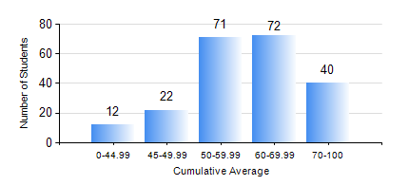
 |  |  | KWAME NKRUMAH UNIVERSITY OF SCIENCE AND TECHNOLOGY, KUMASI Department of Petroleum Engineering

 |  |  | BSC. PETROLEUM ENG.

 |  |  | COMPREHENSIVE RECORD OF EXAMINATION RESULTS

 |  |  | RESULTS OF YEAR 2 FIRST SEMESTER, 2022/2023 ACADEMIC YEAR

 | Sn | Course Code |  | Course Name | Credit Hours | Min. Mark | Max. Mark | Avg. Mark | Std. Dev. | No. Passed | No. Trailed | No. (Df) | No. (I) | No. (I*) | No. Tagged(I,I*,Df) | Total
 | 0. |  |  |  |  |  |  | 0 | 0 | 0 | 0 | 0 | 0 | 0 | 0 | 36
 | 1. | CENG 291 |  | ENGINEERING IN SOCIETY | 2 | 0 | 76 | 58 | 9.02 | 179 | 2 | 0 | 0 | 0 | 0 | 181
 | 2. | MATH 251 |  | DIFFERENTIAL EQUATIONS | 4 | 0 | 85 | 61 | 10.77 | 180 | 1 | 0 | 0 | 0 | 0 | 181
 | 3. | ME 255 |  | STRENGTH OF MATERIALS I | 2 | 0 | 98 | 66 | 18.09 | 165 | 16 | 0 | 0 | 0 | 0 | 181
 | 4. | PE 251 |  | RESERVOIR ENGINEERING I | 3 | 0 | 86 | 58 | 12.03 | 173 | 8 | 0 | 0 | 0 | 0 | 181
 | 5. | PE 253 |  | BASIC GEOLOGY | 2 | 0 | 92 | 73 | 13.77 | 177 | 4 | 0 | 0 | 0 | 0 | 181
 | 6. | PE 255 |  | FLUID MECHANICS | 3 | 0 | 93 | 59 | 18.5 | 156 | 25 | 0 | 0 | 0 | 0 | 181
 | 7. | PE 257 |  | PETROLEUM ENGINEERING THERMODYNAMICS I | 2 | 0 | 82 | 49 | 10.57 | 167 | 14 | 0 | 0 | 0 | 0 | 181
 | 8. | PE 259 |  | SURVIVAL SWIMMING TECHNIQUES | 2 | 0 | 74 | 63 | 6.26 | 180 | 1 | 0 | 0 | 0 | 0 | 181

